Answers
1. I decided to look at the National Parks located in Georgia because I live in Georgia. The National Parks located in Georgia are Andersonville NHS, Chattahoochee River NRA, Chickamauga & Chattanooga NMP, Cumberland Island NS, Fort Frederica NM, Fort Pulaski NM, Jimmy Carter NHS, Kennesaw Mountain NBP, Martin Luther King, Jr. NHP, and Ocmulgee Mounds NHP.

Park Vistors by Site (Georgia 2020)
 | Total
Subtotal Georgia | 6706170
Chattahoochee River NRA | 3066877
Kennesaw Mountain NBP | 2356401
Fort Pulaski NM | 357970
Chickamauga & Chattanooga NMP | 339208
Fort Frederica NM | 210892
Martin Luther King, Jr. NHP | 198158
Andersonville NHS | 63799
Ocmulgee Mounds NHP | 61303
Cumberland Island NS | 37295
Jimmy Carter NHS | 14267

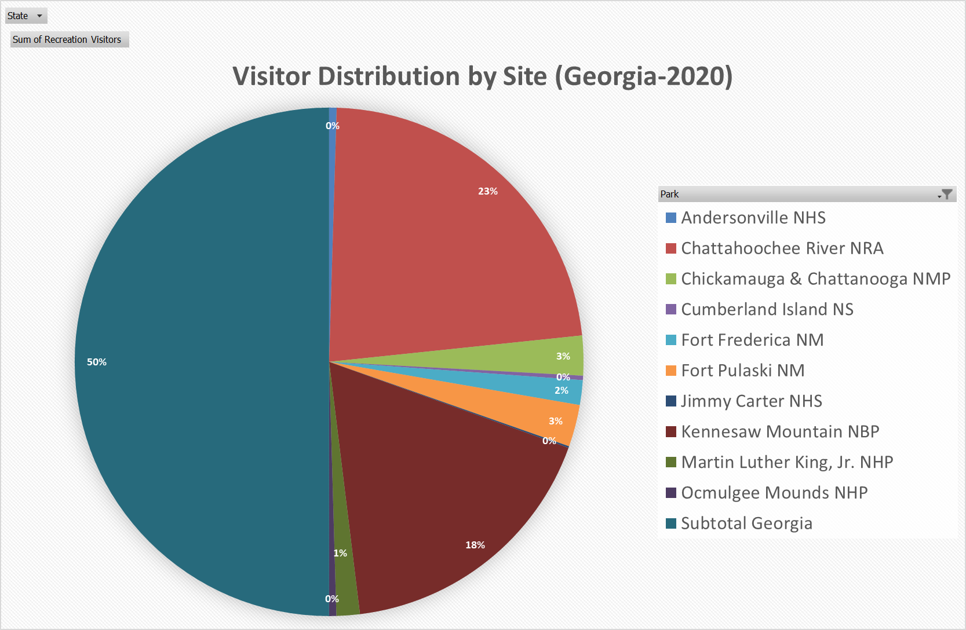

Park Visitors by Month (Georgia-2020)
 | Chattahoochee River NRA | Fort Pulaski NM | Kennesaw Mountain NBP
Jan | 201543 | 32168 | 221226
Feb | 192397 | 34456 | 162423
Mar | 184411 | 34863 | 277865
Apr | 59278 | 23734 | 3400
May | 193075 | 24715 | 146739
Jun | 337055 | 25466 | 278298
Jul | 419372 | 29057 | 220440
Aug | 393599 | 26878 | 244755
Oct | 275476 | 33268 | 224046
Nov | 250915 | 31915 | 261249
Dec | 214881 | 30658 | 117721
Sept | 344875 | 30792 | 198239

5.
I used a bar chart to show how many people visited the park in Georgia for the year of 2020. I used a bar chart because I wanted to compare a single value (number of visitors) across the different parks. The bar chart makes it very easy to visualize the difference in attendance across all the parks.
I used a pie chart to show the percentage of visitors at each park. A pie chart makes sense because I wanted to show a parts-to-whole relationship for the attendances at the different parks. The individual pieces of the pie show how much each park's attendance influenced the whole attendance of all the parks.
I used a line chart to see how the attendance at three of the most popular parks change month-to-month in a given year. A line chart is very good at tracking change over a certain period of time. This chart allowed me to see how the attendances change over a year and compare them to each park. It allowed me to easily visualize which months are popular and which are not.

Bar Graph
State | (All)

Row Labels | Sum of Recreation Visitors
Subtotal Georgia | 6706170
Chattahoochee River NRA | 3066877
Kennesaw Mountain NBP | 2356401
Fort Pulaski NM | 357970
Chickamauga & Chattanooga NMP | 339208
Fort Frederica NM | 210892
Martin Luther King, Jr. NHP | 198158
Andersonville NHS | 63799
Ocmulgee Mounds NHP | 61303
Cumberland Island NS | 37295
Jimmy Carter NHS | 14267
Park Vistors by Site (Georgia 2020)
Grand Total | 13412340

Pie Chart
State | (All)

Row Labels | Sum of Recreation Visitors
Andersonville NHS | 63799
Chattahoochee River NRA | 3066877
Chickamauga & Chattanooga NMP | 339208
Cumberland Island NS | 37295
Fort Frederica NM | 210892
Fort Pulaski NM | 357970
Jimmy Carter NHS | 14267
Kennesaw Mountain NBP | 2356401
Martin Luther King, Jr. NHP | 198158
Ocmulgee Mounds NHP | 61303
Subtotal Georgia | 6706170
Grand Total | 13412340
Visitor Distribution by Site (Georgia-2020)

Line Graph
Sum of Visitors | Column Labels
Row Labels | Chattahoochee River NRA | Fort Pulaski NM | Kennesaw Mountain NBP | Grand Total
Jan | 201543 | 32168 | 221226 | 454937
Feb | 192397 | 34456 | 162423 | 389276
Mar | 184411 | 34863 | 277865 | 497139
Apr | 59278 | 23734 | 3400 | 86412
May | 193075 | 24715 | 146739 | 364529
Jun | 337055 | 25466 | 278298 | 640819
Jul | 419372 | 29057 | 220440 | 668869
Aug | 393599 | 26878 | 244755 | 665232
Oct | 275476 | 33268 | 224046 | 532790
Nov | 250915 | 31915 | 261249 | 544079
Dec | 214881 | 30658 | 117721 | 363260
Sept | 344875 | 30792 | 198239 | 573906
Grand Total | 3066877 | 357970 | 2356401 | 5781248

Park Visitors by Month (Georgia-2020)

